Indices

 | Iraq Stock Exchange
 | Bulletin No (201)

 | ISX Trading Indices of Sunday 9/11/2025

 | Traded Volume and OTC |  | 20,681,571,819 |  | Traded Value and OTC |  | 8,864,873,315 |  | Traders | 1372

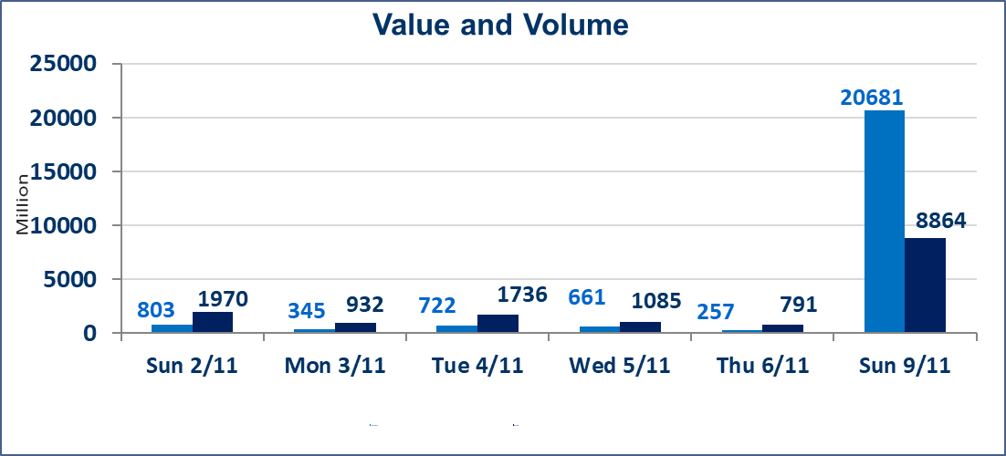
 | ISX Index 60 |  |  | 949.72 | ISX Index 15 |  |  | 1166.48
 | Previous ISX Index60 |  |  | 945.08 | Previous ISX Index15 |  |  | 1171.72
 | Change % |  |  | 0.49 | Change % |  |  | -0.45
 | Change |  |  | 4.64 | Change |  |  | -5.24

 | Listed Companies | 104 | OTC | 11 | Non Traded listed | 40 | OTC | 8
 | Traded Listed Companies | 49 | OTC | 2 | Higher Companies |  |  | 5
 | GAM Companies |  |  | 2 | Lower Companies |  |  | 14
 | Suspended Companies |  |  | 13
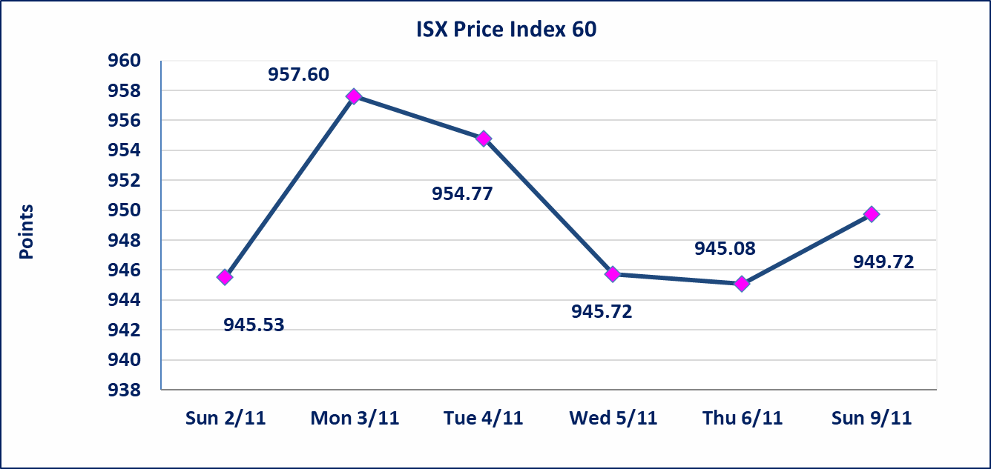
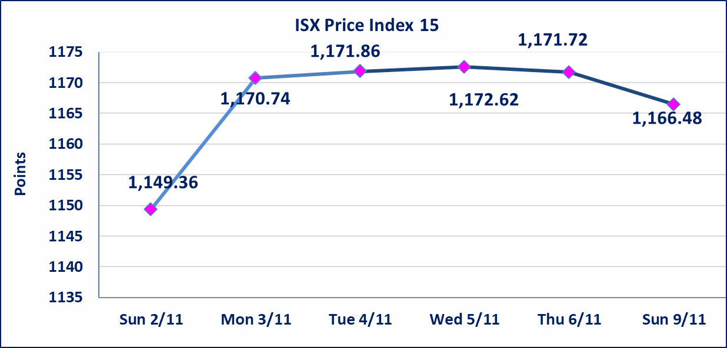

 | special orders | Noor Al-Wamid Company executed a deliberate cross order on the shares of Zain Bank Iraq Company with a number of shares (19,764,706,893) shares with a value of (6,720,000,343) dinars, during the additional session time (after 1 pm) in accordance with the procedures for executing large transactions.
Al-Alwiya P.O . 3607 Mobile: 07711211522 - 07270094594 - 07834000034 E-mail: info-isx@isx-iq.net Web site:www.isx-iq.net

Top 5
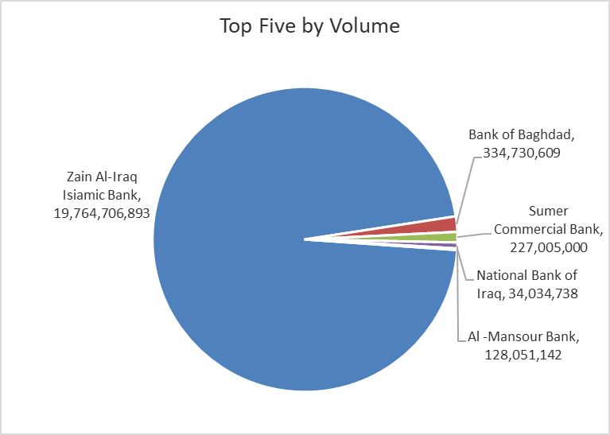
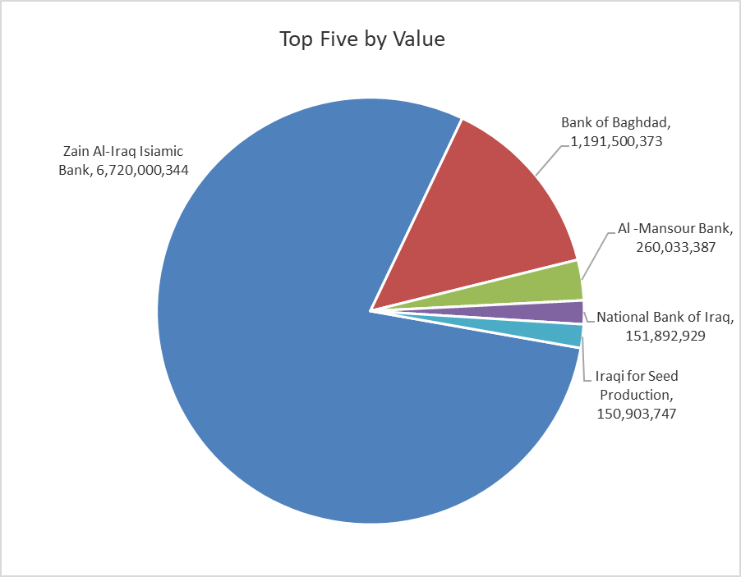
ISX top ganing and losing companies
Sunday 9/11/2025
Gainers |  |  |  | Losers
Company Name | Closing Price | Change (%) | Traded Volume | Company Name | Closing Price | Change (%) | Traded Volume
Economy Bank | 0.250 | 4.17 | 14,000,000 | AL-Anssari Islamic Bank | 0.300 | -14.29 | 1,000,000
Bank of Baghdad | 3.540 | 4.12 | 334,730,609 | Baghdad -Iraq Transportation | 29.450 | -1.83 | 645,398
Al-Khatam Telecom | 2.620 | 1.95 | 111,616 | Baghdad Soft Drinks | 4.970 | -1.78 | 21,747,272
Electronic Industry | 1.770 | 1.14 | 10,827,000 | Asia Cell Telecommunication | 12.900 | -1.75 | 6,679,896
Iraqi for Seed Production | 5.710 | 0.18 | 26,742,597 | Credit Bank Of Iraq | 0.670 | -1.47 | 1,029,505

The most active companies in term of traded volume and value

Traded Volume |  |  |  | Traded Value
Company Name | Closing Price | Change (%) | Traded Volume | Company Name | Closing Price | Change (%) | Traded Value
Zain Al-Iraq Isiamic Bank | 0.340 | 0.00 | 19,764,706,893 | Zain Al-Iraq Isiamic Bank | 0.340 | 0.00 | 6,720,000,344
Bank of Baghdad | 3.540 | 4.12 | 334,730,609 | Bank of Baghdad | 3.540 | 4.12 | 1,191,500,373
Sumer Commercial Bank | 0.090 | 0.00 | 227,005,000 | Al -Mansour Bank | 2.030 | -0.49 | 260,033,387
Al -Mansour Bank | 2.030 | -0.49 | 128,051,142 | National Bank of Iraq | 4.500 | -1.10 | 151,892,929
National Bank of Iraq | 4.500 | -1.10 | 34,034,738 | Iraqi for Seed Production | 5.710 | 0.18 | 150,903,747

OTC

Iraq Stock Exchange

Sunday 9/11/2025
OTC Platform Trading Bulletin No (201)
Company Name | Code | highest price | lowest price | Average price | No.of Trades | Traded Volume | Traded Value
Banks Sector
Al-Sanam Islamic Bank | BSAN | 3.000 | 3.000 | 3.000 | 1 | 1,000,000 | 3,000,000
Al-Warka Bank | BWAI | 0.100 | 0.090 | 0.090 | 3 | 206,656 | 19,130
Total Of Banks Sector |  |  |  |  | 4 | 1,206,656 | 3,019,130
Total |  |  |  |  | 4 | 1,206,656 | 3,019,130

Not Trading OTC Companies
Company Name |  |  | Code |  | Previous Average price
Banks Sector
Hammurabi Commercial Bank |  |  | BHAM |  | ـــــــــــــــــــــــــــــــــــ
Money Service Sector
Rabee Securities |  |  | FRSE |  | 9.500
Karmal Brokerage |  |  | FKSX |  | 10.000
Ishtar Gate for e-Paymant |  |  | FISH |  | 1.000
Sama Baghdad Exchange |  |  | FSBE |  | ـــــــــــــــــــــــــــــــــــ
Iraqi Deposit Insurance Corporation |  |  | FIDI |  | ـــــــــــــــــــــــــــــــــــ
Insurance Sector
Shatt Al Arab Insurance |  |  | NSHA |  | 1.000
Dilina Insurance Company |  |  | NDIL |  | ـــــــــــــــــــــــــــــــــــ

Non Iraqis

Iraq Stock Exchange
Non Iraqis' Bulletin Sunday Nov 9 2025
Regular Market
Non Iraqi Trading of Regular Market (Buy)
Company Names | Code | No.of trades | Traded Shares | Trading Volume
Banks Sector
Al-Mansour Bank | BMNS | 5 | 5,804,180 | 11,782,485
Total Bank sector |  | 5 | 5,804,180 | 11,782,485
Grand Total |  | 5 | 5804180 | 11782485

Non Iraqi Trading of Regular Market (Sell)
Company Names | Code | No.of trades | Traded Shares | Trading Volume
Banks Sector
Al-Mansour Bank | BMNS | 47 | 50,750,000 | 103,192,500
Total Bank sector |  | 47 | 50,750,000 | 103,192,500
Grand Total |  | 47 | 50750000 | 103192500

